Sept 21
 | PPFAS MUTUAL FUND
 | UNAUDITED HALF YEARLY FINANCIAL RESULTS FOR THE PERIOD ENDED SEPTEMBER 30, 2021
 | Sr. No. | Particulars |  | Scheme Names
 |  |  |  | Parag Parikh Flexi Cap Fund | Parag Parikh Liquid Fund | Parag Parikh Tax Saver Fund | Parag Parikh Conservative Hybrid Fund $
 |  |  |  | PP001 | PP002 | PP003 | PP005
 | 1.1 | Unit Capital at the beginning of the half-year period | [Rs. in Crore] | 2,083.91 | 1,081.66 | 121.50 | -
 | 1.2 | Unit Capital at the end of the period / maturity / final redemption date | [Rs. in Crore] | 3,132.17 | 1,272.40 | 166.24 | 448.47

 | 2 | Reserves & Surplus at the end of the period | [Rs. in Crore] | 12,943.70 | 212.09 | 146.49 | 18.39

 | 3.1 | Total Net Assets at the beginning of the half-year period | [Rs. in Crore] | 8,181.79 | 1,243.21 | 179.45 | -
 | 3.2 | Total Net Assets at the end of the period / maturity / final redemption date | [Rs. in Crore] | 16,075.87 | 1,484.48 | 312.74 | 466.86
 |  |  |  |  | - | - | -
 | 4.1 | NAV at the beginning of the half-year period | [Rs.]
RG |  | Regular Growth Plan |  | 38.0016 | 1,149.6731 | 14.5931 | 10.0000
RM |  | Regular Plan Monthly IDCW |  | - | 1,003.1568 | - | 10.0000
RW |  | Regular Plan Weekly Dividend Reinvestment of IDCW |  | - | 1,001.1574 | - | -
RDD |  | Regular Plan Daily Dividend Reinvestment of IDCW |  | - | 1,000.5404 | - | -
ZG |  | Direct Growth Plan |  | 39.9290 | 1,153.1265 | 14.8931 | 10.0000
ZM |  | Direct Plan Monthly Dividend IDCW |  | - | 1,003.1604 | - | 10.0000
ZW |  | Direct Plan Weekly Dividend Reinvestment of IDCW |  | - | 1,001.1600 | - | -
ZDD |  | Direct Plan Daily Dividend Reinvestment IDCW |  | - | 1,000.5404 | - | -

 | 4.2 | NAV at the end of the period / maturity / final redemption date | [Rs.]
RG |  | Regular Growth Plan |  | 49.5642 | 1,167.3533 | 18.5188 | 10.4034
RM |  | Regular Plan Monthly Dividend IDCW |  | - | 1,003.1810 | - | 10.2021
RW |  | Regular Plan Weekly Dividend Reinvestment of IDCW |  | - | 1,001.1805 | - | -
RDD |  | Regular Plan Daily Dividend Reinvestment of IDCW |  | - | 1,000.5404 | - | -
ZG |  | Direct Growth Plan |  | 52.3564 | 1,171.4487 | 19.0225 | 10.4145
ZM |  | Direct Plan Monthly Dividend IDCW |  | - | 1,003.1891 | - | 10.2031
ZW |  | Direct Plan Weekly Dividend Reinvestment of IDCW |  | - | 1,001.1885 | - | -
ZDD |  | Direct Plan Daily Dividend Reinvestment of IDCW |  | - | 1,000.5404 | - | -

 | 4.3 | Dividend (net) paid per unit during the half year
 |  | Individual
RDD |  | Regular Plan Daily Dividend Reinvestment of IDCW | [Rs.] | - | 15.25 | - | -
RW |  | Regular Plan Weekly Dividend Reinvestment of IDCW | [Rs.] | - | 15.26 | - | -
RM |  | Regular Plan Monthly Dividend IDCW | [Rs.] | - | 15.31 | - | 0.20
ZDD |  | Direct Plan Daily Dividend Reinvestment of IDCW | [Rs.] | - | 15.75 | - | -
ZW |  | Direct Plan Weekly Dividend Reinvestment of IDCW | [Rs.] | - | 15.76 | - | -
ZM |  | Direct Plan Monthly Dividend IDCW | [Rs.] | - | 15.80 | - | 0.21

 |  | Non Individual
RDD |  | Regular Plan Daily Dividend Reinvestment of IDCW | [Rs.] | - | 15.25 | - | -
RW |  | Regular Plan Weekly Dividend Reinvestment of IDCW | [Rs.] | - | 15.26 | - | -
RM |  | Regular Plan Monthly Dividend IDCW | [Rs.] | - | 15.31 | - | 0.20
ZDD |  | Direct Plan Daily Dividend Reinvestment of IDCW | [Rs.] | - | 15.75 | - | -
ZW |  | Direct Plan Weekly Dividend Reinvestment of IDCW | [Rs.] | - | 15.76 | - | -
ZM |  | Direct Plan Monthly Dividend IDCW ** | [Rs.] | - | 15.80 | - | 0.21

 |  | Income

 | 5.1 | Dividend | [Rs. in Crore] | 125.01 | - | 2.60 | 1.23
Int & Amort | 5.2 | Interest | [Rs. in Crore] | 8.71 | 25.16 | 0.70 | 6.54
 | 5.3 | Profit/(Loss) on sale/redemption of investments (other than inter scheme transfer/sale) | [Rs. in Crore] | 822.66 | (3.88) | 0.00 | (0.04)
 | 5.4 | Profit/(Loss) on inter scheme transfer/sale of investments | [Rs. in Crore] | - | - | - | -
Check previous mapping | 5.5 | Other Income | [Rs. in Crore] | 5.58 | 0.00 | - | 0.41
 | 5.6 | Total Income (5.1 to 5.5) | [Rs. in Crore] | 961.95 | 21.28 | 3.30 | 8.15
 |  | Expenses

 | 6.1 | Management Fees | [Rs. in Crore] | 33.27 | 0.30 | 0.69 | 0.06
 | 6.2 | Trustee Fees | [Rs. in Crore] | 0.11 | 0.01 | 0.00 | 0.00
 | 6.3 | Total Recurring Expenses (including 6.1 and 6.2) | [Rs. in Crore] | 73.84 | 1.37 | 2.07 | 0.43
 | 6.4 | Percentage of Management Fees to daily/weekly average net assets
RG |  | Plan A | [%] | 0.56% | 0.05% | 0.57% | 0.05%
ZG |  | Plan B (Direct) | [%] | 0.56% | 0.04% | 0.57% | 0.05%
 | 6.5 | Total Recurring expenses as a percentage of daily average net assets (annualised)
RG |  | Plan A | [%] | 1.93% | 0.26% | 2.46% | 0.60%
ZG |  | Plan B (Direct) | [%] | 0.88% | 0.15% | 1.16% | 0.30%

 |  | Average net Assets |  | 11,797.59 | 1,341.55 | 243.73 | 331.99
 |  | No Of days |  | 183.00 | 183.00 | 183.00 | 128.00

 | 7.1 | Returns during the half-year * | [%]
 |  | Regular Plan |  | 30.43% | 1.54% | 26.90% | NA
 |  | Direct Plan |  | 31.12% | 1.59% | 27.73% | NA

 |  | Benchmark | [%] | 23.04% | 1.77% | 23.04% | NA
 |  | Additional Benchmark | [%] | 20.82% | 1.92% | 20.82% | NA

 | 7.2 | Compounded Annualised yield in case of schemes in existence for more than 1 year and its comparison with benchmark yield *

 |  | (i) Last 1 year | [%]
 |  | Regular Plan |  | 57.38% | 3.03% | 49.13% | NA
 |  | Direct Plan |  | 58.99% | 3.14% | 50.97% | NA

 |  | Benchmark | [%] | 62.87% | 3.59% | 62.87% | NA
 |  | Additional Benchmark | [%] | 58.54% | 3.89% | 58.54% | NA

 |  | (ii) Last 3 years | [%]
 |  | Regular Plan |  | 26.57% | 4.46% | NA | NA
 |  | Direct Plan |  | 27.70% | 4.56% | NA | NA

 |  | Benchmark | [%] | 19.44% | 5.37% | NA | NA
 |  | Additional Benchmark | [%] | 18.58% | 6.30% | NA | NA

 |  | (iii) Last 5 years | [%]
 |  | Regular Plan |  | 22.05% | NA | NA | NA
 |  | Direct Plan |  | 22.98% | NA | NA | NA

 |  | Benchmark | [%] | 16.61% | NA | NA | NA
 |  | Additional Benchmark | [%] | 16.81% | NA | NA | NA

 |  | (iv) Since launch of the scheme | [%]
 |  | Regular Plan |  | 21.11% | 4.67% | 32.51% | NA
 |  | Direct Plan |  | 21.90% | 4.78% | 34.15% | NA

 |  | Benchmark | [%] | 16.35% | 5.63% | 26.82% | NA
 |  | Additional Benchmark | [%] | 15.24% | 6.14% | 24.03% | NA

 |  | Date of launch |  | 24-May-13 | 11-May-18 | 24-Jul-19 | 26-May-21

 |  | Benchmark Index |  | NIFTY 500 TRI | CRISIL LIQUID FUND INDEX | NIFTY 500 TRI | CRISIL HYBRID 85+15 - Conservative Index TRI
 |  | Additional Benchmark |  | NIFTY 50 TRI | CRISIL 1 Year T-Bill Index | NIFTY 50 TRI | CRISIL 10 year GILT Index
 | 8 | Provision for Doubtful Income/Debts | [Rs. in Crore] | - | - | - | -
 | 9 | Payments to associate/group companies | [Rs. in Crore] | Refer Note 3 of Notes to the unaudited half yearly financials results
 | 10 | Investments made in associate/group companies | [Rs. in Crore] | - | - | - | -

 |  | *Compounded Annualised Returns are based on the Net Asset Value of Growth Plan of the respective Scheme. Returns less than 1 year period are absolute. Returns greater than 1 year period are compounded annualized.

 |  | $ 'Parag Parikh Conservative Hybrid Fund, NAV at the beginning is considered NAV as on 28th May 2021 i.e date of launch. The Scheme was reopened for subscription/redemption w.e.f 26th May 2021.

 | Scheme(s) Riskometer |  |  |  |  |  | Benchmark(s) Riskometer

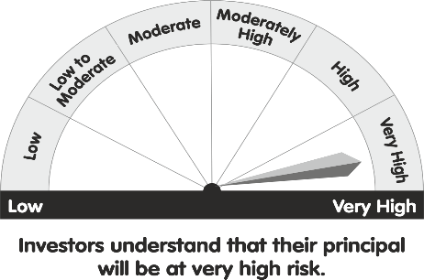
 | Parag Parikh Flexi Cap Fund |  |  |  |  |  | Parag Parikh Flexi Cap Fund
 |  |  |  | Riskometer |  |  | NIFTY 500 TRI
 | Product Labelling of the Scheme |  |  |  |  |  | Riskometer


 | This product is suitable for investors who are seeking*
 | The investment objective of the Scheme is to seek to generate long-term capital growth from an actively managed portfolio primarily of Equity and Equity Related Securities. Scheme shall invest in Indian equities, foreign equities and related instruments and debt securities.

 | *Investors should consult their financial advisers if in doubt about whether this product is suitable for them.

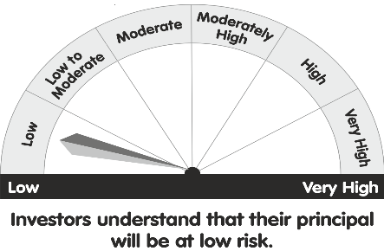
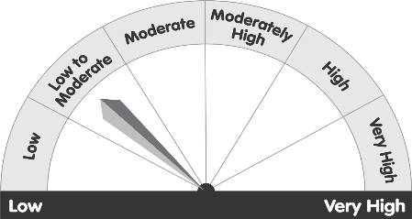
 | Parag Parikh Liquid Fund |  |  |  |  |  | Parag Parikh Liquid Fund
 |  |  |  |  | Riskometer |  | CRISIL Liquid Fund Index
 | Product Labelling of the Scheme |  |  |  |  |  | Riskometer
 | This product is suitable for investors who are seeking*
 | 1.Income over short term.
 | 2.Investments in Debt/Money Market instruments.

 | *Investors should consult their financial advisers if in doubt about whether this product is suitable for them.

 |  |  |  |  |  |  | Parag Parikh Tax Saver Fund
 | Parag Parikh Tax Saver Fund |  |  |  |  |  | NIFTY 500 TRI
 |  |  |  |  | Riskometer |  | Riskometer
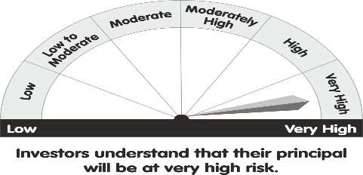
 | Product Labelling of the Scheme
 | This product is suitable for investors who are seeking*
 | 1.Long Term Capital Appreciation.
 | 2.Investment predominantly in equity and equity related securities.

 | *Investors should consult their financial advisers if in doubt about whether this product is suitable for them.


 | Parag Parikh Conservative Hybrid Fund |  |  |  |  |  | Parag Parikh Conservative Hybrid Fund
 |  |  |  | Riskometer |  |  | CRISIL Hybrid 85+15 - Conservative Index TRI
 | Product Labelling of the Scheme |  |  |  |  |  | Riskometer
 | This product is suitable for investors who are seeking*
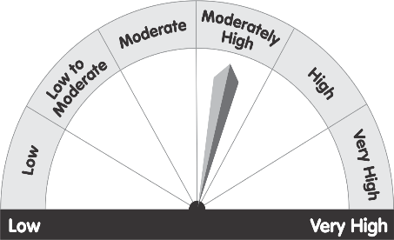
 | • To generate regular income through investments predominantly in debt and money market instruments
 | • Long term capital appreciation from the portion of equity investments under the scheme

 | *Investors should consult their financial advisers if in doubt about whether this product is suitable for them.

