March 24
 | PPFAS MUTUAL FUND
 | UNAUDITED HALF YEARLY FINANCIAL RESULTS FOR THE PERIOD ENDED MARCH 31, 2024
 | Sr. No. | Particulars |  | Scheme Names
 |  |  |  | Parag Parikh Flexi Cap Fund | Parag Parikh Liquid Fund | Parag Parikh ELSS Tax Saver Fund | Parag Parikh Conservative Hybrid Fund | Parag Parikh Arbitrage Fund # | Parag Parikh Dynamic Asset Allocation Fund $
 |  |  |  | PP001 | PP002 | PP003 | PP005 | PP006 | PP007
 | 1.1 | Unit Capital at the beginning of the half-year period | [Rs. in Crore] | 7,003.63 | 1,540.93 | 865.05 | 1,283.50 | - | -
 | 1.2 | Unit Capital at the end of the period / maturity / final redemption date | [Rs. in Crore] | 8,326.06 | 1,534.01 | 1,162.54 | 1,415.13 | 420.80 | 345.08

 | 2 | Reserves & Surplus at the end of the period | [Rs. in Crore] | 52,233.37 | 516.35 | 2,012.29 | 473.49 | 13.18 | 0.78

 | 3.1 | Total Net Assets at the beginning of the half-year period | [Rs. in Crore] | 42,784.56 | 1,991.53 | 2,064.97 | 1,579.38 | - | -
 | 3.2 | Total Net Assets at the end of the period / maturity / final redemption date | [Rs. in Crore] | 60,559.43 | 2,050.35 | 3,174.82 | 1,888.61 | 433.97 | 345.86

 | 4.1 | NAV at the beginning of the half-year period | [Rs.]
 |  | Regular Growth Plan |  | 58.3993 | 1,289.8491 | 23.1203 | 12.2607 | 10.0000 | 10.0000
 |  | Regular Plan Monthly IDCW |  |  | 1,003.9790 |  | 10.4517 |  | 10.0000
 |  | Regular Plan Weekly IDCW Reinvestment |  |  | 1,001.9763
 |  | Regular Plan Daily IDCW Reinvestment |  |  | 1,000.7163 |  |  |  | 10.0000
 |  | Direct Growth Plan |  | 62.8404 | 1,296.9279 | 24.3630 | 12.3470 | 10.0000 | 10.0000
 |  | Direct Plan Monthly IDCW |  |  | 1,003.9918 |  | 10.3767
 |  | Direct Plan Weekly IDCW Reinvestment |  |  | 1,001.9903
 |  | Direct Plan Daily IDCW Reinvestment |  |  | 1,000.7189

 | 4.2 | NAV at the end of the period / maturity / final redemption date | [Rs.]
RG |  | Regular Growth Plan |  | 69.3187 | 1,333.9286 | 26.3463 | 13.2887 | 10.3020 | 10.0205
RM |  | Regular Plan Monthly IDCW |  | - | 1,004.2262 | - | 10.7698 | - | 10.0207
RW |  | Regular Plan Weekly IDCW Reinvestment |  | - | 1,002.2239 | - | - | - | -
RDD |  | Regular Plan Daily IDCW Reinvestment |  | - | 1,000.5404 | - | - | - | -
ZG |  | Direct Growth Plan |  | 74.8685 | 1,341.9180 | 27.9147 | 13.4023 | 10.3168 | 10.0232
ZM |  | Direct Plan Monthly IDCW |  | - | 1,004.2398 | - | 10.7099 | - | 10.0235
ZW |  | Direct Plan Weekly IDCW Reinvestment |  | - | 1,002.2373 | - | - | - | -
ZDD |  | Direct Plan Daily IDCW Reinvestment |  | - | 1,000.5405 | - | - | - | -

 | 4.3 | Dividend (net) paid per unit during the half year
 |  | Individual
RDD |  | Regular Plan Daily IDCW Reinvestment | [Rs.] | - | 33.80 | - | - | - | -
RW |  | Regular Plan Weekly IDCW Reinvestment | [Rs.] | - | 33.40 | - | - | - | -
RM |  | Regular Plan Monthly IDCW | [Rs.] | - | 33.55 | - | 0.53 | - | -
ZDD |  | Direct Plan Daily IDCW Reinvestment | [Rs.] | - | 34.29 | - | - | - | -
ZW |  | Direct Plan Weekly IDCW Reinvestment | [Rs.] | - | 33.91 | - | - | - | -
ZM |  | Direct Plan Monthly IDCW | [Rs.] | - | 34.05 | - | 0.53 | - | -

 |  | Non Individual
RDD |  | Regular Plan Daily IDCW Reinvestment | [Rs.] | - | 33.80 | - | - | - | -
RW |  | Regular Plan Weekly IDCW Reinvestment | [Rs.] | - | 33.40 | - | - | - | -
RM |  | Regular Plan Monthly IDCW | [Rs.] | - | 33.55 | - | 0.53 | - | -
ZDD |  | Direct Plan Daily IDCW Reinvestment | [Rs.] | - | 34.29 | - | - | - | -
ZW |  | Direct Plan Weekly IDCW Reinvestment | [Rs.] | - | 33.91 | - | - | - | -
ZM |  | Direct Plan Monthly IDCW | [Rs.] | - | 34.05 | - | 0.53 | - | -

 |  | Income

 | 5.1 | Dividend | [Rs. in Crore] | 397.09 | - | 22.53 | 8.31 | 0.52 | -
 | 5.2 | Interest | [Rs. in Crore] | 234.37 | 71.36 | 13.77 | 50.83 | 1.66 | 1.16
 | 5.3 | Profit/(Loss) on sale/redemption of investments (other than inter scheme transfer/sale) | [Rs. in Crore] | 233.88 | (0.45) | 3.41 | 23.59 | (6.12) | 0.01
 | 5.4 | Profit/(Loss) on inter scheme transfer/sale of investments | [Rs. in Crore] | - | - | - | - | - | -
 | 5.5 | Other Income | [Rs. in Crore] | 14.10 | 0.00 | 0.00 | 0.26 | 0.02 | 0.01
 | 5.6 | Total Income (5.1 to 5.5) | [Rs. in Crore] | 879.44 | 70.91 | 39.71 | 82.99 | (3.92) | 1.18
 |  | Expenses

 | 6.1 | Commission | [Rs. in Crore] | 71.76 | 0.37 | 5.34 | 0.71 | 0.08 | 0.02
 |  | Other Expenses | [Rs. in Crore] | 48.14 | 0.65 | 2.96 | 0.90 | 0.15 | 0.05
 | 6.2 | Management Fees | [Rs. in Crore] | 102.17 | 0.80 | 6.24 | 1.84 | 0.22 | 0.02
 | 6.3 | Trustee Fees | [Rs. in Crore] | 5.32 | 0.21 | 0.27 | 0.18 | 0.02 | -
 | 6.4 | Total Recurring Expenses (including 6.1 and 6.2) | [Rs. in Crore] | 227.39 | 2.03 | 14.81 | 3.63 | 0.47 | 0.09
 | 6.4 | Percentage of Management Fees to daily/weekly average net assets
Regular |  | Plan A | [%] | 0.39% | 0.08% | 0.48% | 0.21% | 0.22% | 0.10%
Direct |  | Plan B (Direct) | [%] | 0.39% | 0.08% | 0.48% | 0.21% | 0.20% | 0.10%
 | 6.5 | Total Recurring expenses as a percentage of daily average net assets (annualised)
Regular |  | Plan A | [%] | 1.34% | 0.26% | 1.83% | 0.64% | 0.71% | 0.61%
Direct |  | Plan B (Direct) | [%] | 0.60% | 0.16% | 0.73% | 0.34% | 0.36% | 0.31%

 |  | Average net Assets |  | 51,922.38 | 2,040.17 | 2,581.33 | 1,730.22 | 270.48 | 248.10
 |  | No Of days |  | 183.00 | 183.00 | 183.00 | 183.00 | 151.00 | 34.00

 | 7.1 | Returns during the half-year * | [%]
 |  | Regular Plan |  | 19.37% | 3.38% | 14.65% | 8.46% | NA | NA
 |  | Direct Plan |  | 19.80% | 3.43% | 15.26% | 8.61% | NA | NA

 |  | Benchmark | [%] | 17.76% | 3.60% | 17.76% | 6.43% | NA | NA

 | 7.2 | Compounded Annualised yield in case of schemes in existence for more than 1 year and its comparison with benchmark yield *

 |  | (i) Last 1 year | [%]
 |  | Regular Plan |  | 40.33% | 6.80% | 33.95% | 18.00% | NA | NA
 |  | Direct Plan |  | 41.40% | 6.90% | 35.42% | 18.35% | NA | NA

 |  | Benchmark | [%] | 40.75% | 7.25% | 40.75% | 12.88% | NA | NA

 |  | (ii) Last 3 years | [%]
 |  | Regular Plan |  | 22.23% | 5.08% | 21.81% | NA | NA | NA
 |  | Direct Plan |  | 23.36% | 5.18% | 23.34% | NA | NA | NA

 |  | Benchmark | [%] | 19.32% | 5.53% | 19.32% | NA | NA | NA

 |  | (iii) Last 5 years | [%]
 |  | Regular Plan |  | 22.69% | 4.76% | NA | NA | NA | NA
 |  | Direct Plan |  | 23.80% | 4.87% | NA | NA | NA | NA

 |  | Benchmark | [%] | 17.19% | 5.27% | NA | NA | NA | NA

 |  | (iv) Since launch of the scheme | [%]
 |  | Regular Plan |  | 19.53% | 5.01% | 22.99% | 10.51% | NA | NA
 |  | Direct Plan |  | 20.38% | 5.12% | 24.51% | 10.84% | NA | NA

 |  | Benchmark | [%] | 15.75% | 5.57% | 19.69% | 7.06% | NA | NA

 |  | Date of launch |  | 24-May-13 | 11-May-18 | 24-Jul-19 | 26-May-21 | 2-Nov-23 | 27-Feb-24

 |  | Benchmark Index |  | NIFTY 500 TRI | CRISIL LIQUID DEBT A-I INDEX | NIFTY 500 TRI | CRISIL HYBRID 85+15 - Conservative Index TRI | NIFTY 50 Arbitrage Total Return Index (TRI) | CRISIL Hybrid 50+50 Moderate Index
 |  | Additional Benchmark |  | NIFTY 50 TRI | CRISIL 1 Year T-Bill Index | NIFTY 50 TRI | CRISIL 10 year GILT Index | CRISIL 1 Year T-Bill Index | NIFTY 50 TRI
 | 8 | Provision for Doubtful Income/Debts | [Rs. in Crore] | - | - | - | - | - | -
 | 9 | Payments to associate/group companies | [Rs. in Crore] | Refer Note 3 of Notes to the unaudited half yearly financials results
 | 10 | Investments made in associate/group companies | [Rs. in Crore] | - | - | - | - | - | -

 |  | * Compounded Annualised Returns are based on the Net Asset Value of Growth Plan of the respective Scheme. Returns less than 1 year period are absolute. Returns greater than 1 year period are compounded annualized.
 |  | # Parag Parikh Arbitrage Fund, NAV at the beginning is considered NAV as on 2nd November 2023 i.e date of launch. The Scheme was reopened for subscription/redemption w.e.f 3rd November 2023.
 |  | $ Parag Parikh Dynamic Asset Allocation Fund, NAV at the beginning is considered NAV as on 27th February 2024 i.e date of launch. The Scheme was reopened for subscription/redemption w.e.f 28th February 2024.

 | Scheme(s) Riskometer |  |  |  |  | Benchmark(s) Riskometer
 | Parag Parikh Flexi Cap Fund (An open ended dynamic equity scheme investing across large cap, mid cap, small cap stocks.) |  |  |  |  | Parag Parikh Flexi Cap Fund
 |  |  |  |  |  | NIFTY 500 TRI
 |  |  |  | Riskometer


 | Product Labelling of the Scheme

 | This product is suitable for investors who are seeking*
 | The investment objective of the Scheme is to seek to generate long-term capital growth from an actively managed portfolio primarily of Equity and Equity Related Securities. Scheme shall invest in Indian equities, foreign equities and related instruments and debt securities.

 | *Investors should consult their financial advisers if in doubt about whether this product is suitable for them.

 | Parag Parikh Liquid Fund (An Open Ended Liquid Scheme. A Relatively Low Interest Rate Risk and Relatively low Credit Risk) |  |  |  |  | Parag Parikh Liquid Fund
 |  |  |  |  |  | CRISIL Liquid Debt A-I Index
 |  |  |  | Riskometer |  | Riskometer


 | Product Labelling of the Scheme
 | This product is suitable for investors who are seeking*
 | 1.Income over short term.
 | 2.Investments in Debt/Money Market instruments.

 | *Investors should consult their financial advisers if in doubt about whether this product is suitable for them.

 | Parag Parikh ELSS Tax Saver Fund (An open-ended Equity linked savings scheme with a statutory lock in of 3 years and tax benefit) |  |  |  |  | Parag Parikh ELSS Tax Saver Fund
 |  |  |  |  |  | NIFTY 500 TRI
 |  |  |  | Riskometer |  | Riskometer
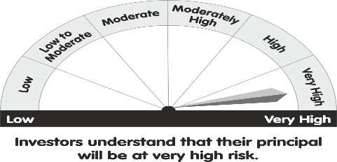

 | Product Labelling of the Scheme
 | This product is suitable for investors who are seeking*
 | 1.Long Term Capital Appreciation.
 | 2.Investment predominantly in equity and equity related securities.

 | *Investors should consult their financial advisers if in doubt about whether this product is suitable for them.

 | Parag Parikh Conservative Hybrid Fund (An open-ended hybrid scheme investing predominantly in debt instruments) |  |  |  |  | Parag Parikh Conservative Hybrid Fund
 |  |  |  |  |  | CRISIL Hybrid 85+15 - Conservative Index TRI
 |  |  |  | Riskometer |  | Riskometer

 | Product Labelling of the Scheme
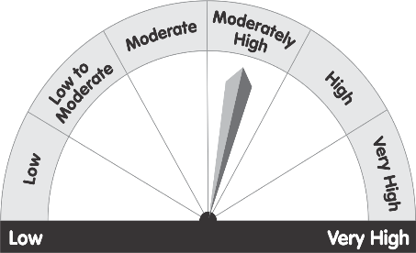
 | This product is suitable for investors who are seeking*
 | • To generate regular income through investments predominantly in debt and money market instruments
 | • Long term capital appreciation from the portion of equity investments under the scheme

 | *Investors should consult their financial advisers if in doubt about whether this product is suitable for them.

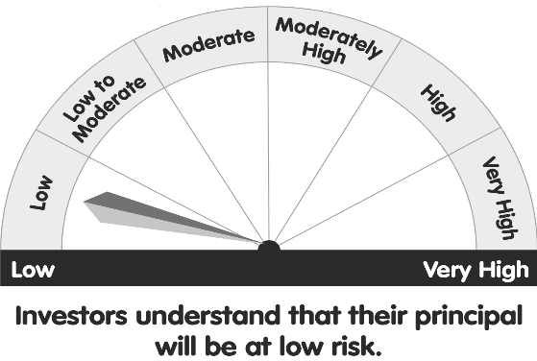
 | Parag Parikh Arbitrage Fund ( An open ended scheme investing in arbitrage opportunities ) |  |  |  |  | Parag Parikh Arbitrage Fund
 |  |  |  | Riskometer |  | Tier I Benchmark’s Risk-o-meter
 | Product Labelling of the Scheme |  |  |  |  | NIFTY 50 Arbitrage Total Return Index (TRI)
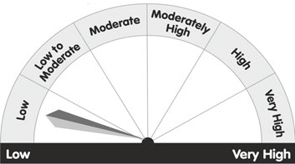
 | This product is suitable for investors who are seeking*
 | • To generate income by investing in arbitrage opportunities
 | • Predominantly investing in arbitrage opportunities in the cash and derivatives segment of the equity market.

 | *Investors should consult their financial advisers if in doubt about whether this product is suitable for them.

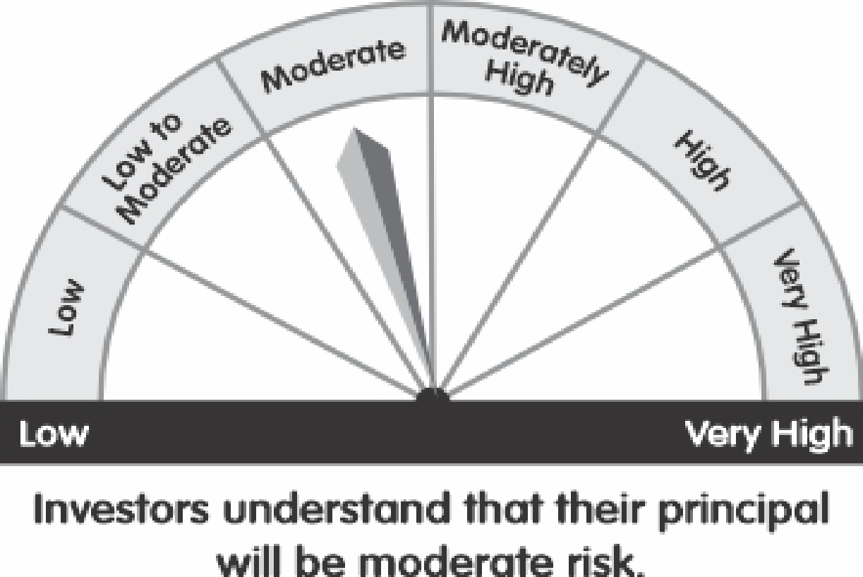
 | Parag Parikh Dynamic Asset Allocation Fund (An open ended dynamic asset allocation fund ) |  |  |  |  | Parag Parikh Dynamic Asset Allocation Fund
 |  |  |  | Riskometer |  | Tier I Benchmark’s Risk-o-meter
 | Product Labelling of the Scheme |  |  |  |  | CRISIL Hybrid 50+50 Moderate Index
 | This product is suitable for investors who are seeking*
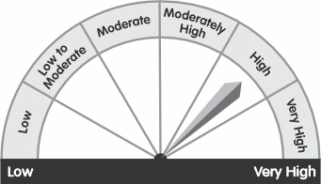
 | •Capital Appreciation & Income generation over medium to long term.
 | •Investment in equity and equity related instruments as well as debt and money market instruments while managing risk through active asset allocation

 | *Investors should consult their financial advisers if in doubt about whether this product is suitable for them.

